Cover
 |  |  | Forest Certification Public Report

Forest Manager/Owner (Certificate Holder): |  |  | Bancroft Minden Forest
Forest Name: |  |  | Bancroft Minden Forest
Country: |  |  | Canada
Standard: |  |  | FSC-STD-CAN-01-2018 EN_V1
Certificate code: |  |  | SA-FM/COC-003810
FSC® logo licence code: |  |  | FSC-C111205
Certificate issue date: |  |  | 2017-11-21
Certificate expiry date: |  |  | 2022-11-20

Table of contents:
 |  |  | 1. Basic Info
 |  |  | 2. Findings
 |  |  | 3. Main Assessment Certification Process
 |  |  | 4. Admin
 |  |  | 5. Main Assessment Forest details
 |  |  | 6. Surveillance 1 (S1)
 |  |  | 7. Surveillance 2 (S2)
 |  |  | 8. Surveillance 3 (S3)
 |  |  | 9. Surveillance 4 (S4)
 |  | Annexes: | A1: Forest Management Standard (A1 FM Std)
 |  |  | NFSS Checklist
 |  |  | A1.1: Pesticides
 |  |  | A1.2 IFL
 |  |  | A2: Consultation
 |  |  | A3: Species list
 |  |  | A4: CITES list (for reference)
 |  |  | A5: Additional Info
 |  |  | A10: Glossary
 |  |  | A11: Certification Decision form
 |  |  | A12: Product Schedule
 |  |  | A13: ILO Conventions (for reference)
 |  |  | A14: Product Codes (for reference)
 |  |  | A18: Opening & Closing meeting

 | Assessment date | Audit Team Leader | Checked by | Date Checked | Approved by | Report finalisation / update date
RA | September 18-23, 2017 | Larry Nall | Milan Reška | 14-Nov-17 | Janette McKay | 15-Nov-17
S1 | October 19-22, 2018 | Larry Nall | Milan Reška | 18-Nov-18 | Janette McKay | 04/12/2018 26/07/2019
S2 | September 9-12, 2019 | Larry Nall | Meriel Robson | 22-Sep-19 | Meriel Robson, Rob Shaw | 2019-10-07
S3 REMOTE | 31 August - 23 September | Larry Nall | Gus Hellier | 14-Oct-20 | Janette McKay | 5-Nov-20
S4 | October 25-28, 2021 | Larry Nall | Gus Hellier | 18-Dec-21 | Janette McKay | 12-Jan-22

Please note that the main text of this report is publicly available on request

Soil Association Certification • United Kingdom
Telephone (+44) (0) 117 914 2435
Email forestry@soilassociation.org • www.soilassociation.org/forestry

Soil Association Certification Ltd • Company Registration No. 726903
A wholly-owned subsidiary of the Soil Association Charity No. 20686
 |  |  | FSC Licence Code FSC® A000525
RT-FM-001-23 March 2021 © Produced by Soil Association Certification Limited

A12a Product schedule
 | Product Schedule |  | 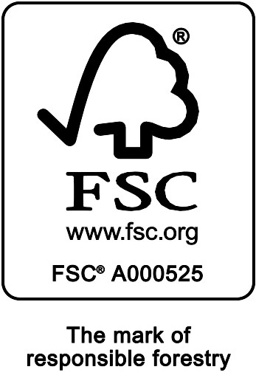

This schedule details the products which are included in the scope of the company's certification. It shall accompany the FSC® certificate. If the product scope changes a new schedule will be issued.

Certificate scope including products and certified sites may also be checked on the FSC web database www.info.fsc.org
Description of Certificate holder
Name: | Bancroft Minden Forest
Address: | 51 Hastings St N, Bancroft, ON K0L 1C0
Country | Canada
Certificate Code: | SA-FM/COC-003810
Type of certificate | Single
Date of issue: | 21-Nov-17 | Date of expiry: | 20-Nov-22

Product Groups available from this certificate holder include:
NB. The covered products and processes/ activities are performed by the network of participating management units, and not necessarily by each of them. |  |  |  | delete this row if single site
FSC Status | Product type | Product code | Species Separate with semicolon. * indicates species not included on FSC database
FSC 100% | Roundwood (Logs) | W1.1 | Abies, Juniperus, Picea, Pinus, Thuja, Tsuga, Acer, Betula, Fagus, Fraxinus, Juglans, Populus, Prunus, Quercus, Tilia, Ulmus spp. Details in annex A3 Species list
FSC 100% | Fuel Wood | W1.2 | Abies, Juniperus, Picea, Pinus, Thuja, Tsuga, Acer, Betula, Fagus, Fraxinus, Juglans, Populus, Prunus, Quercus, Tilia, Ulmus spp. Details in annex A3 Species list

Date of issue/re-issue (business address changed): |  |  | 2022-01-12

Soil Association Certification • United Kingdom
Telephone (+44) (0) 117 914 2435 • Fax (+44) (0) 117 314 5001
Email forestry@soilassociation.org ● www.sacert.org/forestry

Soil Association Certification Ltd • Company Registration No. 726903
A wholly-owned subsidiary of the Soil Association Charity No. 20686

